Daily Power Station Chart_14-01
Plant_29/07/2025Chart

Plant:odco1 |  |  | Installed Capacity:111.180kWp
Today Yield(kWh):617.900kWh |  | Today Earning:247160.000TND |  | Today Full Load Hours(h):5.56h

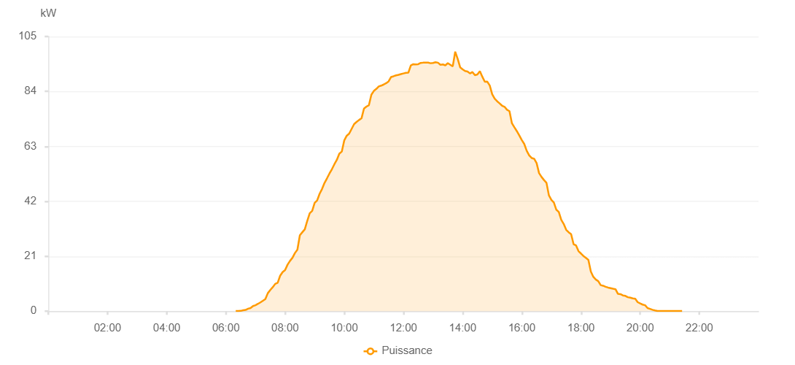

Number | Time | Working State | PV(W) | Instantaneous Radiation(W/㎡)
1 | 06:20:00 | Online | 40.00000 | 0
2 | 06:25:00 | Online | 70.00000 | 0
3 | 06:30:00 | Online | 110.00000 | 0
4 | 06:35:00 | Online | 350.00000 | 2.00000
5 | 06:40:00 | Online | 470.00000 | 4.00000
6 | 06:45:00 | Online | 950.00000 | 9.00000
7 | 06:50:00 | Online | 1200.00000 | 12.00000
8 | 06:55:00 | Online | 1950.00000 | 18.00000
9 | 07:00:00 | Online | 2280.00000 | 25.00000
10 | 07:05:00 | Online | 2800.00000 | 29.00000
11 | 07:10:00 | Online | 3350.00000 | 44.00000
12 | 07:15:00 | Online | 3960.00000 | 57.00000
13 | 07:20:00 | Online | 4600.00000 | 69.00000
14 | 07:25:00 | Online | 6870.00000 | 84.00000
15 | 07:30:00 | Online | 8090.00000 | 100.00000
16 | 07:35:00 | Online | 9160.00000 | 115.00000
17 | 07:40:00 | Online | 10430.00000 | 133.00000
18 | 07:45:00 | Online | 10850.00000 | 152.00000
19 | 07:50:00 | Online | 13530.00000 | 171.00000
20 | 07:55:00 | Online | 14940.00000 | 189.00000
21 | 08:00:00 | Online | 15700.00000 | 207.00000
22 | 08:05:00 | Online | 17750.00000 | 228.00000
23 | 08:10:00 | Online | 19220.00000 | 249.00000
24 | 08:15:00 | Online | 20400.00000 | 269.00000
25 | 08:20:00 | Online | 22220.00000 | 289.00000
26 | 08:25:00 | Online | 23510.00000 | 308.00000
27 | 08:30:00 | Online | 29040.00000 | 327.00000
28 | 08:35:00 | Online | 30160.00000 | 345.00000
29 | 08:40:00 | Online | 31280.00000 | 370.00000
30 | 08:45:00 | Online | 34530.00000 | 391.00000
31 | 08:50:00 | Online | 37450.00000 | 409.00000
32 | 08:55:00 | Online | 38330.00000 | 430.00000
33 | 09:00:00 | Online | 41380.00000 | 448.00000
34 | 09:05:00 | Online | 42320.00000 | 467.00000
35 | 09:10:00 | Online | 44850.00000 | 486.00000
36 | 09:15:00 | Online | 46720.00000 | 507.00000
37 | 09:20:00 | Online | 49030.00000 | 526.00000
38 | 09:25:00 | Online | 50780.00000 | 542.00000
39 | 09:30:00 | Online | 52610.00000 | 557.00000
40 | 09:35:00 | Online | 54270.00000 | 577.00000
41 | 09:40:00 | Online | 56170.00000 | 593.00000
42 | 09:45:00 | Online | 57850.00000 | 614.00000
43 | 09:50:00 | Online | 60200.00000 | 629.00000
44 | 09:55:00 | Online | 61000.00000 | 647.00000
45 | 10:00:00 | Online | 65270.00000 | 660.00000
46 | 10:05:00 | Online | 67060.00000 | 676.00000
47 | 10:10:00 | Online | 67890.00000 | 694.00000
48 | 10:15:00 | Online | 69710.00000 | 709.00000
49 | 10:20:00 | Online | 71510.00000 | 725.00000
50 | 10:25:00 | Online | 72340.00000 | 736.00000
51 | 10:30:00 | Online | 73080.00000 | 748.00000
52 | 10:35:00 | Online | 73720.00000 | 762.00000
53 | 10:40:00 | Online | 77430.00000 | 772.00000
54 | 10:45:00 | Online | 78200.00000 | 790.00000
55 | 10:50:00 | Online | 78750.00000 | 798.00000
56 | 10:55:00 | Online | 82750.00000 | 810.00000
57 | 11:00:00 | Online | 84190.00000 | 825.00000
58 | 11:05:00 | Online | 84970.00000 | 834.00000
59 | 11:10:00 | Online | 85930.00000 | 844.00000
60 | 11:15:00 | Online | 86220.00000 | 856.00000
61 | 11:20:00 | Online | 86650.00000 | 860.00000
62 | 11:25:00 | Online | 87160.00000 | 871.00000
63 | 11:30:00 | Online | 87860.00000 | 879.00000
64 | 11:35:00 | Online | 89530.00000 | 886.00000
65 | 11:40:00 | Online | 89810.00000 | 896.00000
66 | 11:45:00 | Online | 90140.00000 | 903.00000
67 | 11:50:00 | Online | 90370.00000 | 908.00000
68 | 11:55:00 | Online | 90630.00000 | 916.00000
69 | 12:00:00 | Online | 90880.00000 | 919.00000
70 | 12:05:00 | Online | 91100.00000 | 924.00000
71 | 12:10:00 | Online | 91180.00000 | 928.00000
72 | 12:15:00 | Online | 93930.00000 | 928.00000
73 | 12:20:00 | Online | 94400.00000 | 934.00000
74 | 12:25:00 | Online | 94300.00000 | 937.00000
75 | 12:30:00 | Online | 94420.00000 | 936.00000
76 | 12:35:00 | Online | 94890.00000 | 941.00000
77 | 12:40:00 | Online | 94990.00000 | 943.00000
78 | 12:45:00 | Online | 95000.00000 | 948.00000
79 | 12:50:00 | Online | 95000.00000 | 948.00000
80 | 12:55:00 | Online | 94780.00000 | 949.00000
81 | 13:00:00 | Online | 94900.00000 | 952.00000
82 | 13:05:00 | Online | 95160.00000 | 950.00000
83 | 13:10:00 | Online | 94990.00000 | 950.00000
84 | 13:15:00 | Online | 94200.00000 | 951.00000
85 | 13:20:00 | Online | 94330.00000 | 946.00000
86 | 13:25:00 | Online | 93980.00000 | 941.00000
87 | 13:30:00 | Online | 94810.00000 | 941.00000
88 | 13:35:00 | Online | 94180.00000 | 941.00000
89 | 13:40:00 | Online | 93600.00000 | 933.00000
90 | 13:45:00 | Online | 99200.00000 | 943.00000
91 | 13:50:00 | Online | 96440.00000 | 972.00000
92 | 13:55:00 | Online | 93230.00000 | 928.00000
93 | 14:00:00 | Online | 92460.00000 | 921.00000
94 | 14:05:00 | Online | 91830.00000 | 912.00000
95 | 14:10:00 | Online | 91620.00000 | 906.00000
96 | 14:15:00 | Online | 90870.00000 | 900.00000
97 | 14:20:00 | Online | 91420.00000 | 887.00000
98 | 14:25:00 | Online | 90230.00000 | 889.00000
99 | 14:30:00 | Online | 90480.00000 | 897.00000
100 | 14:35:00 | Online | 91740.00000 | 159.00000
101 | 14:40:00 | Online | 89610.00000 | 885.00000
102 | 14:45:00 | Online | 87700.00000 | 851.00000
103 | 14:50:00 | Online | 87740.00000 | 846.00000
104 | 14:55:00 | Online | 86250.00000 | 881.00000
105 | 15:00:00 | Online | 82930.00000 | 832.00000
106 | 15:05:00 | Online | 81220.00000 | 801.00000
107 | 15:10:00 | Online | 80250.00000 | 788.00000
108 | 15:15:00 | Online | 79440.00000 | 774.00000
109 | 15:20:00 | Online | 78550.00000 | 761.00000
110 | 15:25:00 | Online | 78130.00000 | 744.00000
111 | 15:30:00 | Online | 76990.00000 | 728.00000
112 | 15:35:00 | Online | 76470.00000 | 713.00000
113 | 15:40:00 | Online | 71820.00000 | 700.00000
114 | 15:45:00 | Online | 70300.00000 | 690.00000
115 | 15:50:00 | Online | 68800.00000 | 672.00000
116 | 15:55:00 | Online | 67140.00000 | 652.00000
117 | 16:00:00 | Online | 65430.00000 | 640.00000
118 | 16:05:00 | Online | 63910.00000 | 627.00000
119 | 16:10:00 | Online | 61270.00000 | 611.00000
120 | 16:15:00 | Online | 59540.00000 | 594.00000
121 | 16:20:00 | Online | 58540.00000 | 577.00000
122 | 16:25:00 | Online | 58270.00000 | 574.00000
123 | 16:30:00 | Online | 56610.00000 | 545.00000
124 | 16:35:00 | Online | 52770.00000 | 520.00000
125 | 16:40:00 | Online | 51320.00000 | 502.00000
126 | 16:45:00 | Online | 50130.00000 | 483.00000
127 | 16:50:00 | Online | 49080.00000 | 463.00000
128 | 16:55:00 | Online | 44240.00000 | 446.00000
129 | 17:00:00 | Online | 42540.00000 | 427.00000
130 | 17:05:00 | Online | 41540.00000 | 404.00000
131 | 17:10:00 | Online | 38780.00000 | 384.00000
132 | 17:15:00 | Online | 37910.00000 | 367.00000
133 | 17:20:00 | Online | 34910.00000 | 344.00000
134 | 17:25:00 | Online | 33340.00000 | 327.00000
135 | 17:30:00 | Online | 31100.00000 | 309.00000
136 | 17:35:00 | Online | 30150.00000 | 289.00000
137 | 17:40:00 | Online | 29460.00000 | 270.00000
138 | 17:45:00 | Online | 25600.00000 | 248.00000
139 | 17:50:00 | Online | 25130.00000 | 228.00000
140 | 17:55:00 | Online | 22930.00000 | 78.00000
141 | 18:00:00 | Online | 22040.00000 | 193.00000
142 | 18:05:00 | Online | 21090.00000 | 176.00000
143 | 18:10:00 | Online | 20380.00000 | 156.00000
144 | 18:15:00 | Online | 19620.00000 | 140.00000
145 | 18:20:00 | Online | 15130.00000 | 127.00000
146 | 18:25:00 | Online | 13130.00000 | 112.00000
147 | 18:30:00 | Online | 12100.00000 | 98.00000
148 | 18:35:00 | Online | 11490.00000 | 86.00000
149 | 18:40:00 | Online | 9950.00000 | 78.00000
150 | 18:45:00 | Online | 9710.00000 | 65.00000
151 | 18:50:00 | Online | 9330.00000 | 58.00000
152 | 18:55:00 | Online | 9020.00000 | 56.00000
153 | 19:00:00 | Online | 8800.00000 | 53.00000
154 | 19:05:00 | Online | 8570.00000 | 52.00000
155 | 19:10:00 | Online | 8400.00000 | 48.00000
156 | 19:15:00 | Online | 6600.00000 | 48.00000
157 | 19:20:00 | Online | 6500.00000 | 45.00000
158 | 19:25:00 | Online | 6020.00000 | 44.00000
159 | 19:30:00 | Online | 5850.00000 | 40.00000
160 | 19:35:00 | Online | 5340.00000 | 38.00000
161 | 19:40:00 | Online | 5140.00000 | 35.00000
162 | 19:45:00 | Online | 4900.00000 | 31.00000
163 | 19:50:00 | Online | 4720.00000 | 29.00000
164 | 19:55:00 | Online | 3420.00000 | 25.00000
165 | 20:00:00 | Online | 2950.00000 | 23.00000
166 | 20:05:00 | Online | 2510.00000 | 20.00000
167 | 20:10:00 | Online | 2260.00000 | 18.00000
168 | 20:15:00 | Online | 1190.00000 | 13.00000
169 | 20:20:00 | Online | 880.00000 | 10.00000
170 | 20:25:00 | Online | 520.00000 | 7.00000
171 | 20:30:00 | Online | 280.00000 | 5.00000
172 | 20:35:00 | Online | 80.00000 | 1.00000
173 | 20:40:00 | Online | 50.00000 | 1.00000
174 | 20:45:00 | Online | 40.00000 | 0
175 | 20:50:00 | Online | 40.00000 | 0
176 | 20:55:00 | Online | 40.00000 | 0
177 | 21:00:00 | Online | 40.00000 | 0
178 | 21:05:00 | Online | 40.00000 | 0
179 | 21:10:00 | Online | 40.00000 | 0
180 | 21:15:00 | Online | 40.00000 | 0
181 | 21:20:00 | Online | 40.00000 | 0
182 | 21:25:00 | Online | 40.00000 | 0
183 | 21:50:00 | Online | 0.00001 | 0.00001

